Less03_A3
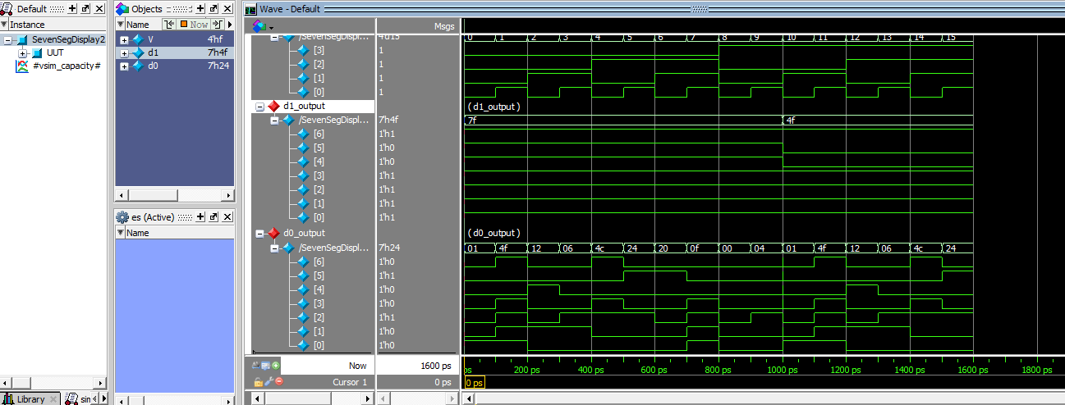
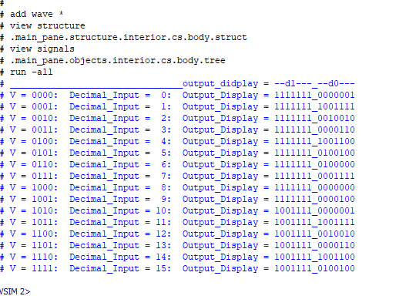
EE417 Advanced Digital Logic with Verilog HDL |  |  | L3 Assignment 3: Seven-segment Display and Binary Coded Decimal
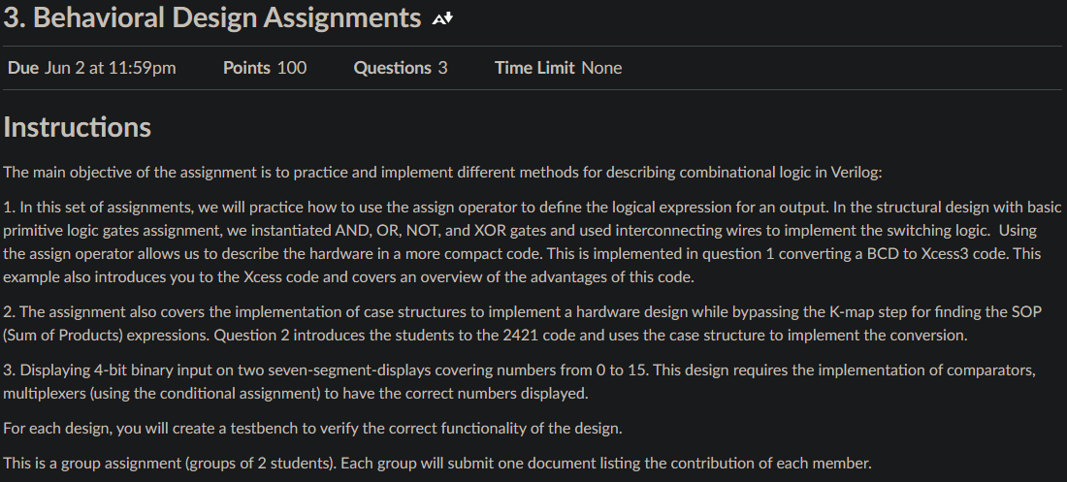

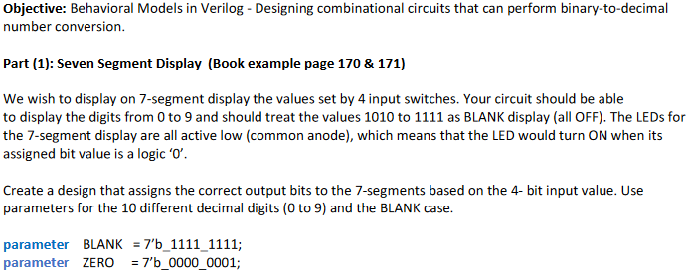

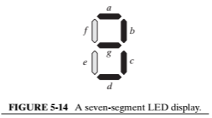

Division of Responsibility
Assignment | Map/ Equations/Code | TestBench
1 | Kalin | Jammeh
2 | Kalin | Jammeh
3 Part 1 | Kalin | Jammeh
3 Part 2 | Kalin | Jammeh
Module code
// Name: Ron Kalin, Date: 5-31-24, Design: Lesson 3A3P1: 7-segment display
// Group: Ron Kalin/Lamin Jammeh _____
// 7-segment display
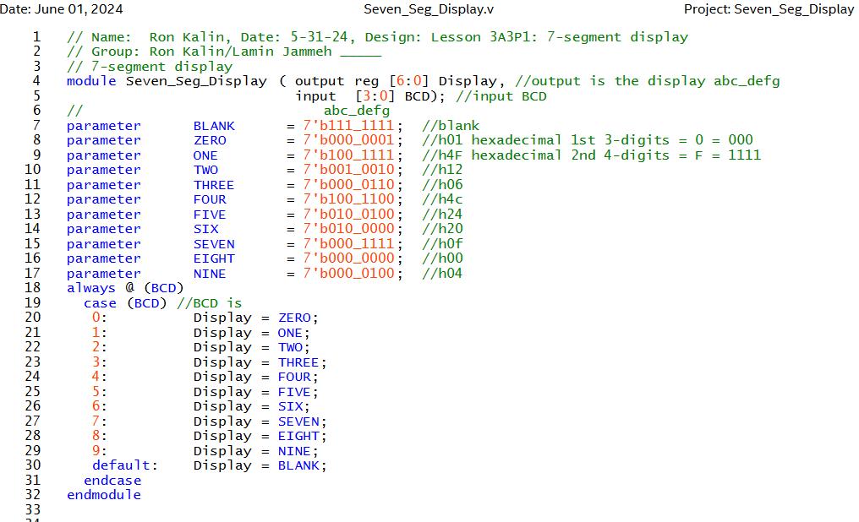
module Seven_Seg_Display ( output reg [6:0] Display, //output is the display abc_defg
input [3:0] BCD); //input BCD
// abc_defg (seven segments, not including decimcal point)
parameter BLANK = 7'b111_1111; //blank
parameter ZERO = 7'b000_0001; //h01 hexadecimal 1st 3-digits = 0 = 000
parameter ONE = 7'b100_1111; //h4F hexadecimal 2nd 4-digits = F = 1111
parameter TWO = 7'b001_0010; //h12
parameter THREE = 7'b000_0110; //h06
parameter FOUR = 7'b100_1100; //h4c
parameter FIVE = 7'b010_0100; //h24
parameter SIX = 7'b010_0000; //h20
parameter SEVEN = 7'b000_1111; //h0f
parameter EIGHT = 7'b000_0000; //h00
parameter NINE = 7'b000_0100; //h04
always @ (BCD)
case (BCD) //BCD is
0: Display = ZERO;
 | 1: Display = ONE;
 | 2: Display = TWO;
 | 3: Display = THREE;
 | 4: Display = FOUR;
 | 5: Display = FIVE;
 | 6: Display = SIX;
 | 7: Display = SEVEN;
 | 8: Display = EIGHT;
 | 9: Display = NINE;
 | default: Display = BLANK;
endcase
endmodule

Netlist RTL Viewer |  | 7-segment display one digit
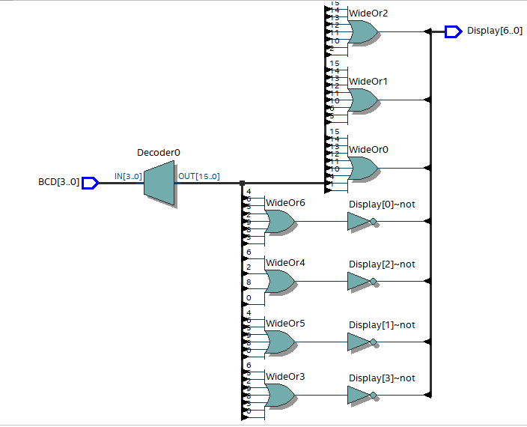

// 5/31/24 testbench 7-segment display
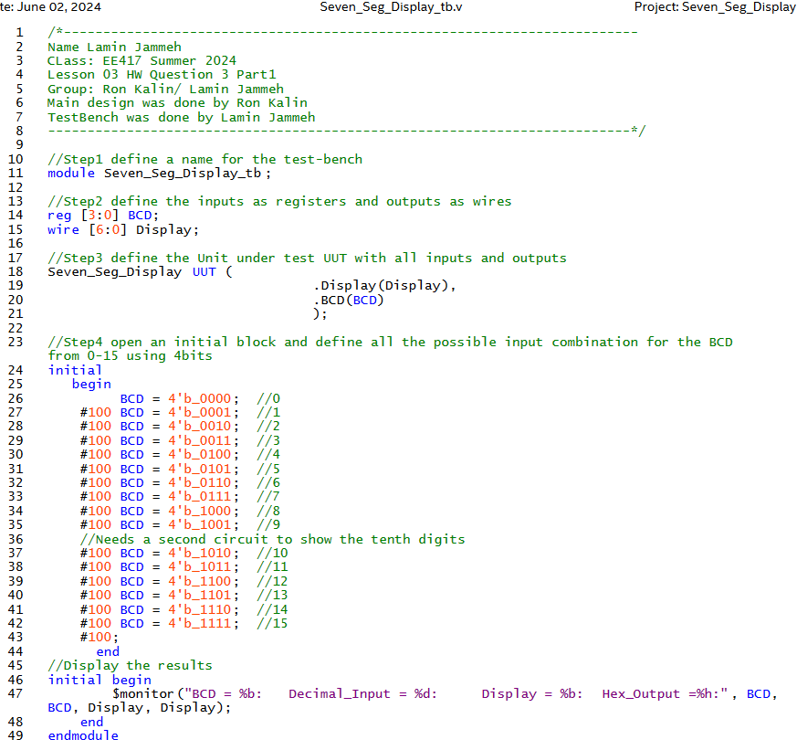

Simulation Results
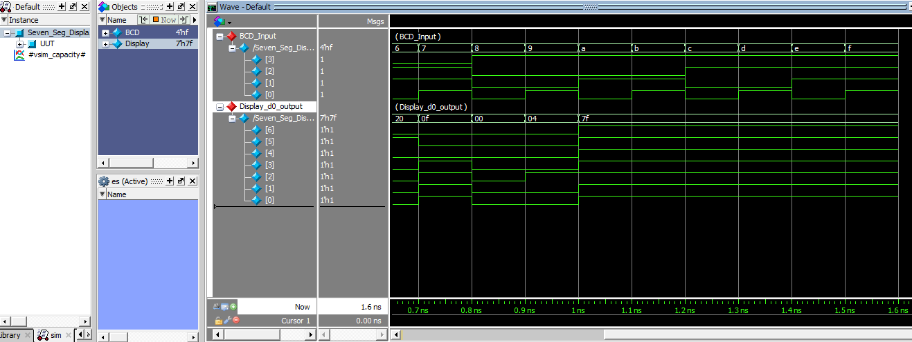

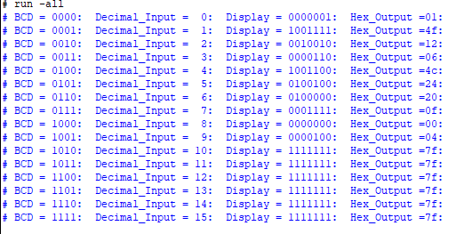

Part 2: 7-segment display, 4-bit input word and output 2-decimal equivalent

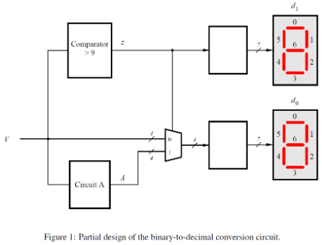
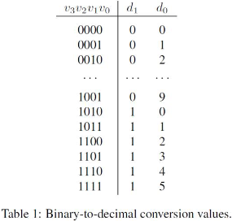

 |  |  |  |  | Circuit A
 |  |  |  | DecV | V | A | DecA
 |  |  |  | 10 | 1010 | 0000 | 0
 |  |  |  | 11 | 1011 | 0001 | 1
 |  |  |  | 12 | 1100 | 0010 | 2
 |  |  |  | 13 | 1101 | 0011 | 3
 |  |  |  | 14 | 1110 | 0100 | 4
 |  |  |  | 15 | 1111 | 0101 | 5

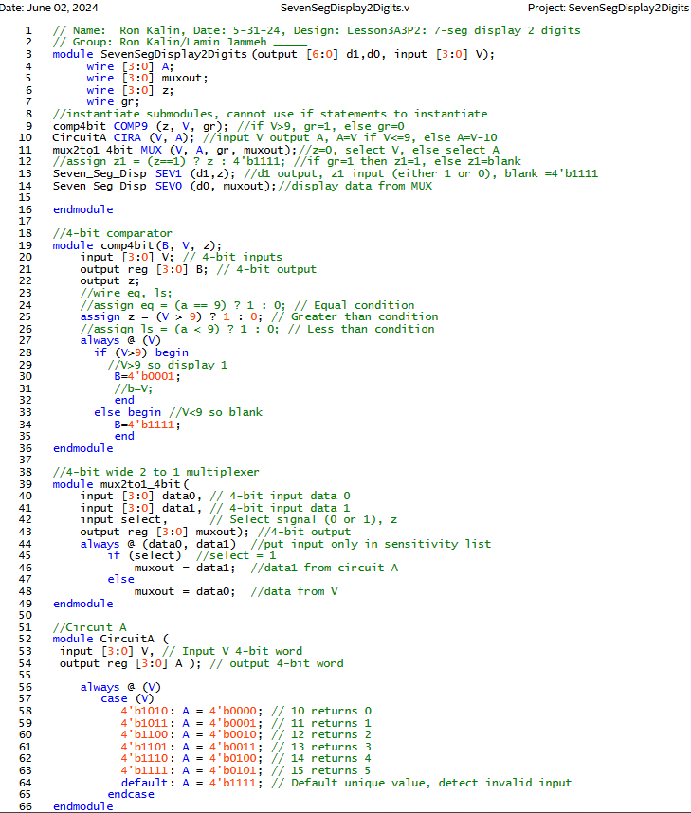
Code

 | output gr;
 | //wire eq, ls;

 | if (a>9)
 |  | begin
 |  | b=a;
 |  | end

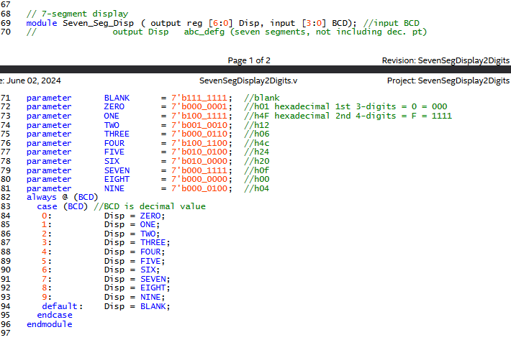

RTL Viewer

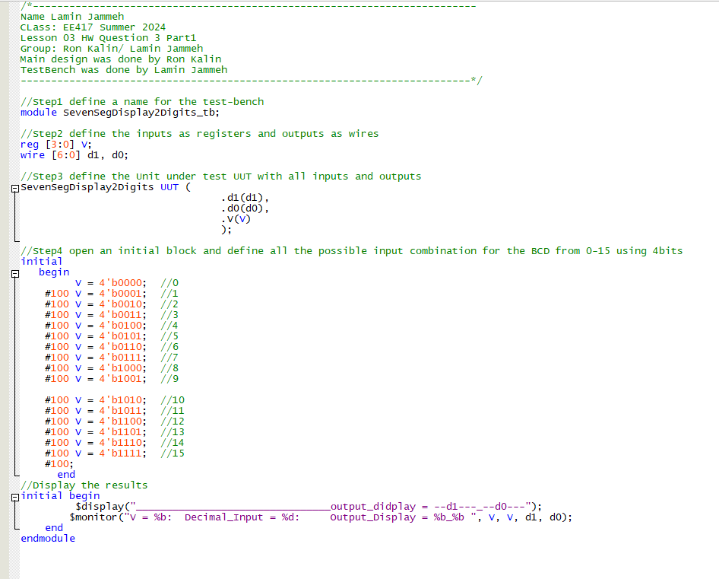
Testbench

Simulation

